Sheet1
Problem 1. a-d (pg. 538);
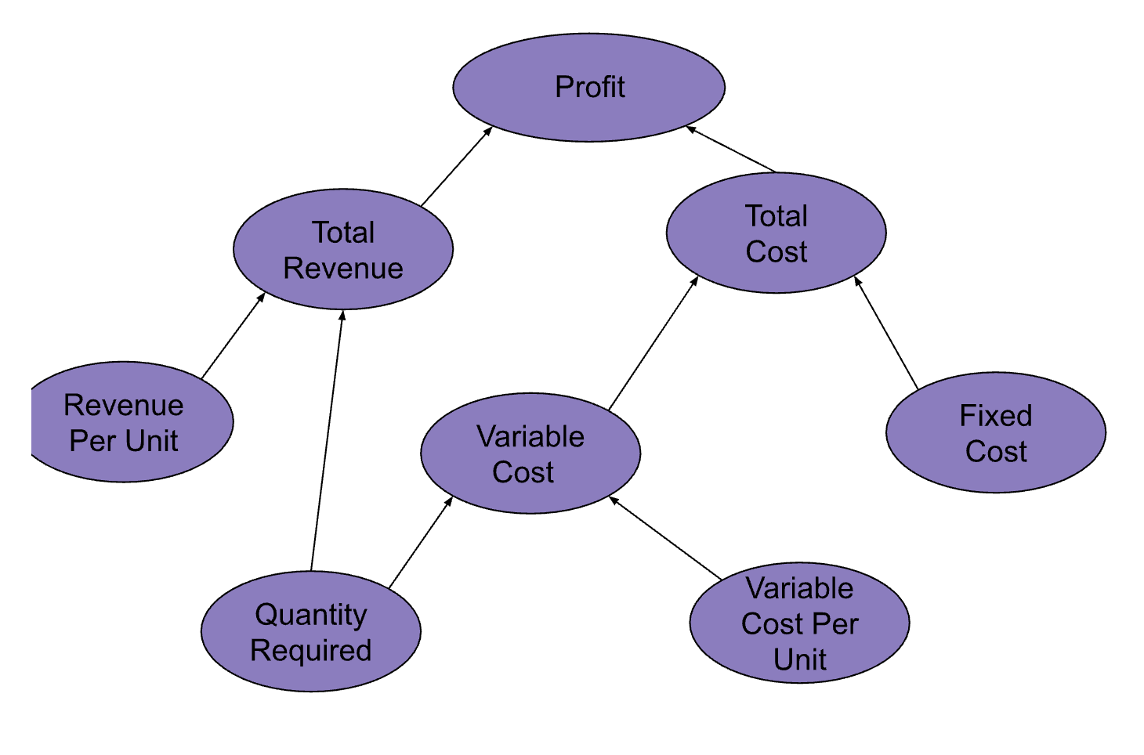

Profit. Model for Electronics Company |  |  |  |  |  |  | a.
fixed cost | 10000
material cost per unit | 0.15
labor cost per unit | 0.1
revenue per unit | 0.65

a. build an influence diagram that illustrates how to calculate profit.

b. using mathematical notation similar to that used for Nowlin Plastics, give a mathematical model for calculating profit
VC = LC + MC
TC (q) = FC + (VC x q) |  |  |  |  | variable cost | 0.25
TR(q) = R × q |  |  |  |  | fixed cost | 10,000
P = TR(q) - TC(q) |  |  |  |  | total cost | 11250
 |  |  |  |  | revune per unit | 0.65
d. if Cox Eletric makes 12,000 units of the new product, what is the resulting profit? |  |  |  |  | units sold | 5000
 |  |  |  |  | total revenue | 3250
 |  |  |  |  | total profit | -8000

e. Update your spreadsheet model to calculate the breakeven level of volume (the number of units that will result in exactly zero profit).

Cox Electric Breakeven Analysis
Revenue Per Unit | $0.65
Fixed Costs | 10,000
Material Cost Per Unit | $0.15 | d. | profit for 12,000 units
Labor Cost Per Unit | $0.10 |  |  | ($5,200.00)
Total Revenue | $3,250.00 | e. | breakeven quantity
Production Volume | $5,000.00 |  |  | 25,000
Variable Cost Per Unit | $0.25
Total Cost | $11,250.00
Total Variable Cost | $1,250.00
Profit for Production Volume | ($8,000.00)

